Sheet1
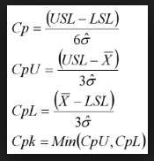
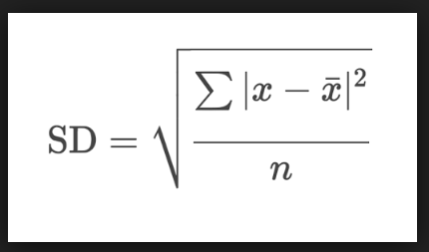

Ist terminal | Sl No. | USL | LSL | x | Mean | Current Mean | E(x-Mean)2 | (E(x-Mean)2)/N | SD = SqRt(E(x-Mean)2)/N | Variance | 6*SD | 3*SD | USL-LSL | CP | USL-Mean | Mean-LSL | CpU | CpL | CpK
 | 1 | 47 | 25 | 49 | 49 |  | 0 | 0 | 0 | 0 | 0 | 0 | 22 | #DIV/0! | -2 | 24 | #DIV/0! | #DIV/0! | #DIV/0!

2st terminal | Sl No. | USL | LSL | x | Mean | Current Mean | E(x-Mean)2 | (E(x-Mean)2)/N | SD = SqRt(E(x-Mean)2)/N | Variance | 6*SD | 3*SD | USL-LSL | CP | USL-Mean | Mean-LSL | CpU | CpL | CpK
 | 1 | 47 | 25 | 49 | 49 | 34.2 | 0 | 0 | 0 | 0 | 0 | 0 | 22 | #DIV/0! | -2 | 24 | #DIV/0! | #DIV/0! | #DIV/0!
 | 2 | 47 | 25 | 19.4 | 34.2 | 34.2 | 438.08 | 219.04 | 14.8 | 219.04 | 88.8 | 44.4 | 22 | 0.24774774775 | 12.8 | 9.2 | 0.28828828829 | 0.20720720721 | 0.20720720721

3st terminal | Sl No. | USL | LSL | x | Mean | Current Mean | E(x-Mean)2 | (E(x-Mean)2)/N | SD = SqRt(E(x-Mean)2)/N | Variance | 6*SD | 3*SD | USL-LSL | CP | USL-Mean | Mean-LSL | CpU | CpL | CpK
 | 1 | 47 | 25 | 49 | 49 | 38.666666667 | 0 | 0 | 0 | 0 | 0 | 0 | 22 | #DIV/0! | -2 | 24 | #DIV/0! | #DIV/0! | #DIV/0!
 | 2 | 47 | 25 | 19.4 | 34.2 | 38.666666667 | 438.08 | 219.04 | 14.8 | 219.04 | 88.8 | 44.4 | 22 | 0.24774774775 | 12.8 | 9.2 | 0.28828828829 | 0.20720720721 | 0.20720720721
 | 3 | 47 | 25 | 47.6 | 38.666666667 | 38.666666667 | 557.78666667 | 185.92888889 | 13.635574388 | 185.92888889 | 81.813446328 | 40.906723164 | 22 | 0.2689044526 | 8.3333333333 | 13.666666667 | 0.20371549439 | 0.33409341081 | 0.20371549439

3st terminal | Sl No. | USL | LSL | x | Mean | Current Mean | E(x-Mean)2 | (E(x-Mean)2)/N | SD = SqRt(E(x-Mean)2)/N | Variance | 6*SD | 3*SD | USL-LSL | CP | USL-Mean | Mean-LSL | CpU | CpL | CpK
 | 1 | 47 | 25 | 49 | 49 | 41.5 | 0 | 0 | 0 | 0 | 0 | 0 | 22 | #DIV/0! | -2 | 24 | #DIV/0! | #DIV/0! | #DIV/0!
 | 2 | 47 | 25 | 19.4 | 34.2 | 41.5 | 438.08 | 219.04 | 14.8 | 219.04 | 88.8 | 44.4 | 22 | 0.24774774775 | 12.8 | 9.2 | 0.28828828829 | 0.20720720721 | 0.20720720721
 | 3 | 47 | 25 | 47.6 | 38.666666667 | 41.5 | 557.78666667 | 185.92888889 | 13.635574388 | 185.92888889 | 81.813446328 | 40.906723164 | 22 | 0.2689044526 | 8.3333333333 | 13.666666667 | 0.20371549439 | 0.33409341081 | 0.20371549439
 | 4 | 47 | 25 | 50 | 41.5 | 41.5 | 654.12 | 163.53 | 12.787884892 | 163.53 | 76.727309349 | 38.363654675 | 22 | 0.28672972096 | 5.5 | 16.5 | 0.14336486048 | 0.43009458144 | 0.14336486048

